Total Like
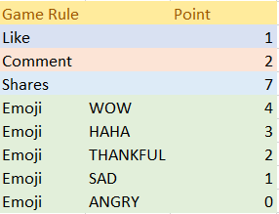
ID | TOTAL LIKE
12457609 | 1
78452390 | 0
90573478 | 0
12378359 | 0
89237812 | 0

Like


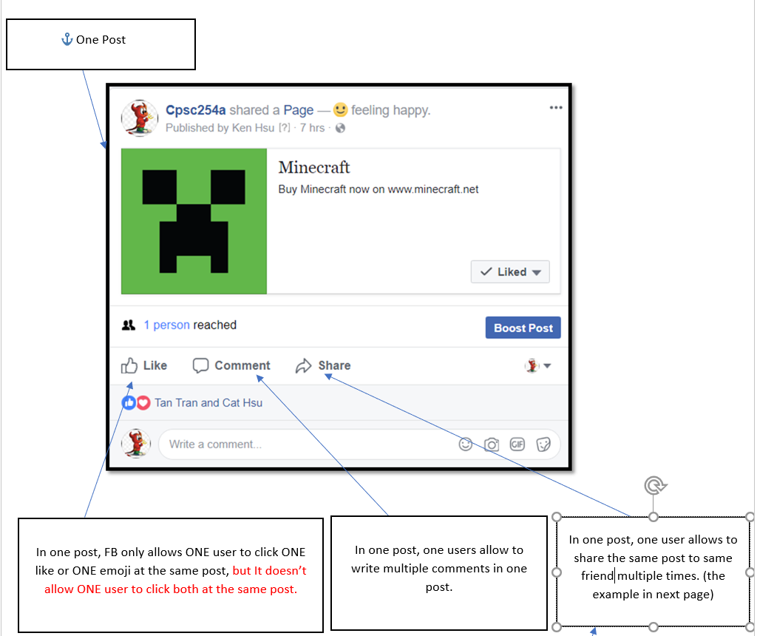
LIKE ID | USER ID | LIKES
0301 | 12457609 | 0
0302 | 12457609 | 0
0303 | 12457609 | 0
0304 | 12457609 | 1
0305 | 78452390 | 0
0306 | 78452390 | 0
0307 | 78452390 | 0
0308 | 90573478 | 0
0309 | 90573478 | 0
0310 | 90573478 | 0
0311 | 12378359 | 0
0312 | 12378359 | 0
0313 | 12378359 | 0
0314 | 12378359 | 0
0315 | 89237812 | 0
0316 | 89237812 | 0
0317 | 89237812 | 0
0318 | 89237812 | 0

